Stakeholder Mgt
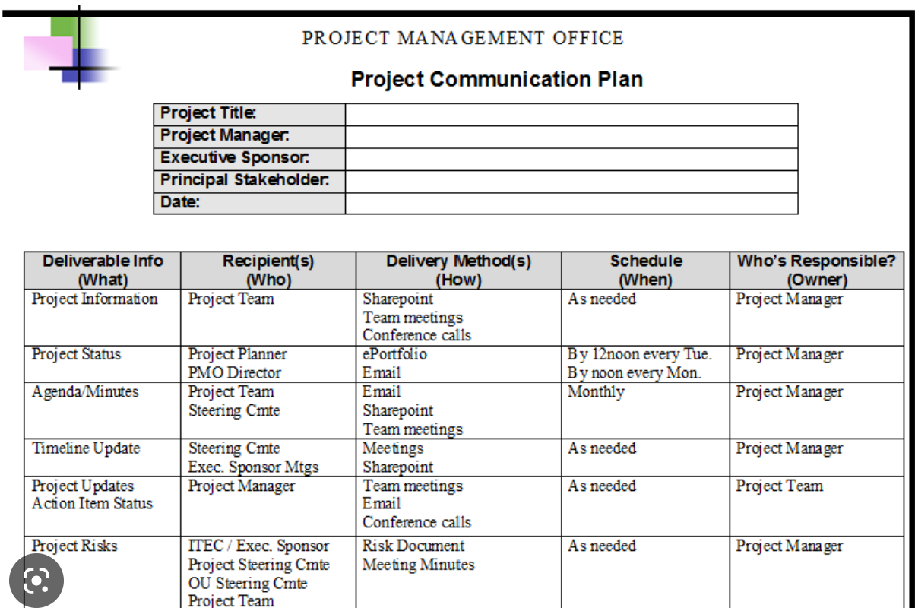
Stakeholde Group or Individual Name | Archetypes-personas | Direct / Indirect | Internal / External | Role | Contact Person & Contact Details | Impact Rating (H, M, L) | Influence Rating (H, M, L) | What is important to the stakeholder | How does the stakeholder contribute to the project | How stakeholder can block the project? | Engagement Type (Use IAP2 levels) | Engagement strategy description, including specifying communication method and frequency.
Bang Si Hyu | ENTJ - Commander | Direct | Internal | (Financial) Sponsor / Founder | xxxxxxx | H | M | 1. Interested in financial returns. 2. Interested in expanding reach. 3. Interested in achieving the ESG goals. | 1. Has provided a budget of US$600k. 2. He provides the vision for the company. 3. ….. | 1. Withdraw financial support for the project. 2. Could damage the companies reputation if there are unforseen circumstances. 3. Misalignment with the vision of project. | Inform | 1. Inform at key stakeholder meetings (face to face) to update on the progress and explain challenges that cannot be resolved by the team. 2. Send key progress updates through email. 3. Communication twicw a month.
Park Ji Won | ENTJ - Commander | Direct | Internal | (Project) Sponsor / CEO
Jimin Park |  | Direct | Internal | Product owner
Kirin Martino | ISTP - Craftsman | Direct | Internal | Project comm webmaster
Sharon Oy-Lee | ESTP - Performer | Direct | External | Promotions Manager
Chris Lee | ISTP - Craftsman | Direct | Internal | EA
Jinny Tang | ISTP - Craftsman | Direct | Internal | EA
Nora Salleh | INFP - Idealist | Direct | Internal | NFT Programmer
Sam Alli | ESTJ - Supervisor | Direct | Internal | IT Ops Manager
Joe D. |  | Direct | Internal | ICT Manager
Your project team member name 1 |  | Direct | External | Project management roles - ?
Your project team member name 2 |  | Direct | External | Project management roles - ?
Your project team member name 3 |  | Direct | External | Project management roles - ?
Your project team member name 4 |  | Direct | External | Project management roles - ?
BTS |  | Indirect | External | User
ARMY Fans |  | Indirect | External | User
New Employee - Developer 2 |  | Direct | Internal | Developer
New Employee
New Employee

